Pt.1 Reconciliation
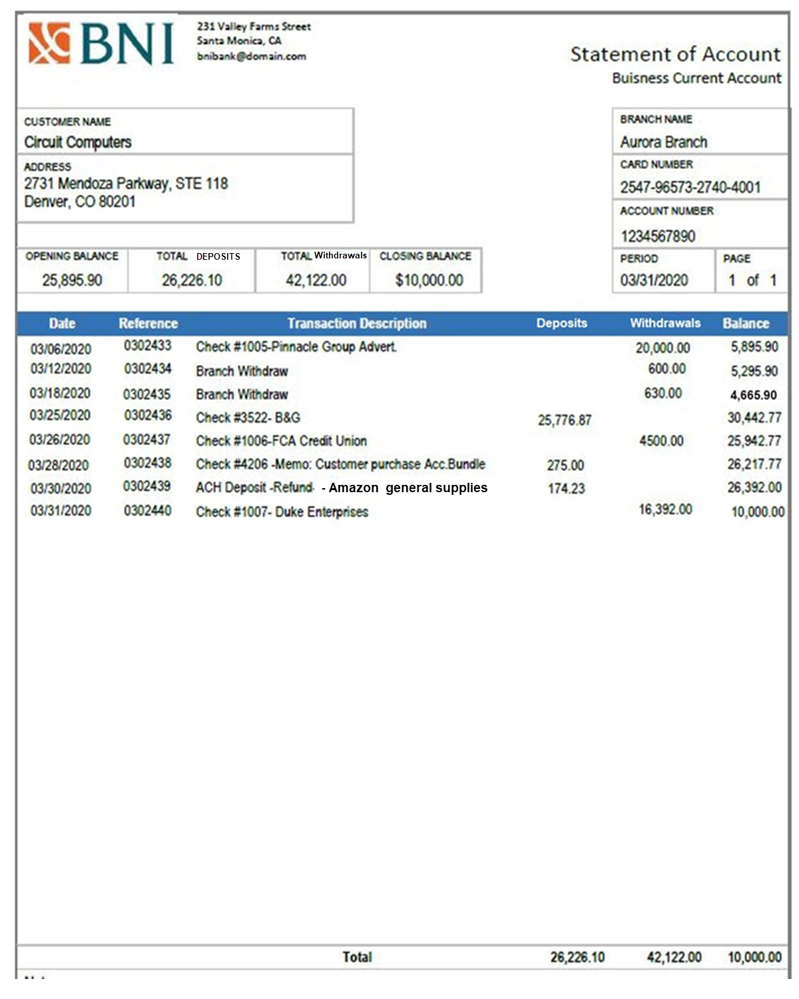

 |  |  | General Ledger Sheet |  |  | Sheet Number: 57 |  | Circuit Computers, Bank Reconilication for March 31, 2020
 |  |  | ACCOUNT: | Cash |  | Account Number: 750 |  | Balance Per Bank |  |  | Balance Per Books
 |  |  | Date: | Description: | Journal Ref: | Transaction
 |  |  |  |  |  | Debit | Credit | Unadjusted balance from the bank statement |  |  | Unadjusted balance from the Cash Account
 |  |  | 3/1/20 | Opening Balance |  | 25,895.90 |  |  |  | $10,000.00 |  |  |  | $9,550.77
 |  |  | 3/6/20 | Pinnacle Group Advertising-Check #1005 | A506 |  | $20,000.00 | Adjustments to the bank balance
 |  |  | 2020-03-12 | Cash withdraw-Promo Supplies | A508 |  | $600.00 |  |  |  | Add: Bank interest earned |  |  | $0.00
 |  |  | 3/18/20 | Cash withdraw-Germinator Cleaning | A509 |  | $630.00 | Add: Deposits in transit |  | $0.00 | Add: Auto/Electronic Deposits |  |  | $275.00
 |  |  | 3/25/20 | Deposit-Check #3522-B&G paid invoice (#2530) | A510 | $25,776.87 |  | Deduct: Oustanding Checks |  | $0.00 | Deduct: Fees/Returned Checks |  |  | $0.00
 |  |  | 2020-03-26 | FCA Credit Union Loan-Check #1006 | A511 |  | $4,500.00 | Add: Bank Errors |  | $0.00 | Add: Company Errors |  |  | $174.23
 |  |  | 2020-03-31 | Duke Enterprises-Check #1007 | A512 |  | $16,392.00 | Deduct: Bank Errors |  | $0.00 | Deduct: Company Errors |  |  | $0.00
 |  |  |  |  |  |  |  | Total Adjusted balance per BANK: |  | $0.00 | Total Adjusted balance per BOOKS: |  |  | $449.23

 |  |  |  |  |  |  |  | FINAL RECONCILIATION NUMBERS
 |  |  |  |  |  |  |  | Balance Per Bank |  |  | Balance Per Books

 |  |  |  |  |  |  |  | Unadjusted balance from the bank statement |  | $10,000.00 | Unadjusted balance from the Cash Account |  |  | $9,550.77

 |  |  |  |  |  |  |  | (+/-) adjustments to BANK |  | $0.00 | (+/-) adjustments to BOOKS |  |  | $449.23

 |  |  | 03/01-03/31/20 |  | Total Debit/Credits | $51,672.77 | $42,122.00 | Adjusted balance per BANK: |  | $10,000.00 | Adjusted balance per BOOKS: |  |  | $10,000.00
 |  |  | 03/01-03/31/20 |  | Ending Balance: | $9,550.77
 |  |  |  |  |  |  |  | Journal Entries |  |  | Debit | Credit
 |  |  |  |  |  |  |  | 03/31/20
 |  |  |  |  |  |  |  |  | Cash
 |  |  |  |  |  |  |  |  | COGS |  | $200.00
 |  |  |  |  |  |  |  |  | Sales Revenue
 |  |  |  |  |  |  |  |  | Inventory |  |  | $200.00 | *The date is listed as the day of the reconciliation, add the trasaction date in the description of each entry

 |  |  |  |  |  |  |  | 03/31/20 | Reconciliation (Added Auto/Electronic Deposits)
 |  |  |  |  |  |  |  |  | Cash |  | 449.23
 |  |  |  |  |  |  |  |  | General and Administrative |  |  | $449.23

Account Name
 | Dr | Cr
Cash

Accounts Receivable

Inventory

Fixed Assets
Accumulated depreciation
Advances to Owners
Accounts Payable

Accrued taxes
Current portion of LTD
Note payable

Equipment Loan payable
Owner's investment
Sales Income/Revenue

COGS

Selling expenses

General and Administrative

Interest expense

Income taxes

